jata trick1
Data
569
540 | Ctrl+G/F5 and select Blank and Type Alt+
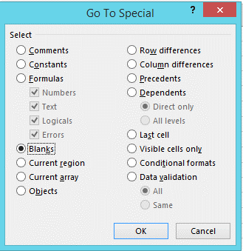
865
669
2643
61
33
94
876
477
215
1568
697
656
186
819
2358
142
293
46
481
46
20
66
112
112

